Sheet1
Name | Mobile.no | Position | Adhar.no | Pan.no | Company | Vichele.No | Photo
Chirag Sharma | 7906807310 | Owner | 4261 5309 3429 |  | B2B | UP81CS9002 |  | 
Vishwa Vardhan | 8126677368 | Owner | 6202 8944 8807 | CPHPC3097K | B2B | UP81DB9993 |  | 
Mahipal | 8800731018 | Staff | 7703 1482 9611 | IHBPS7614 | B2B | Nil |  | 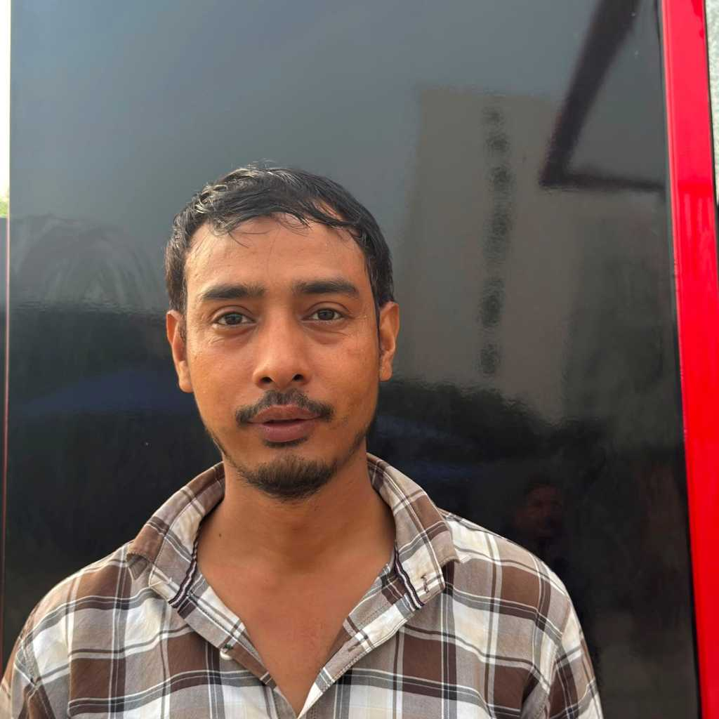
Vijay Negi | 7088257652 | Staff | 4236 4897 7025 |  | B2B | Nil |  | 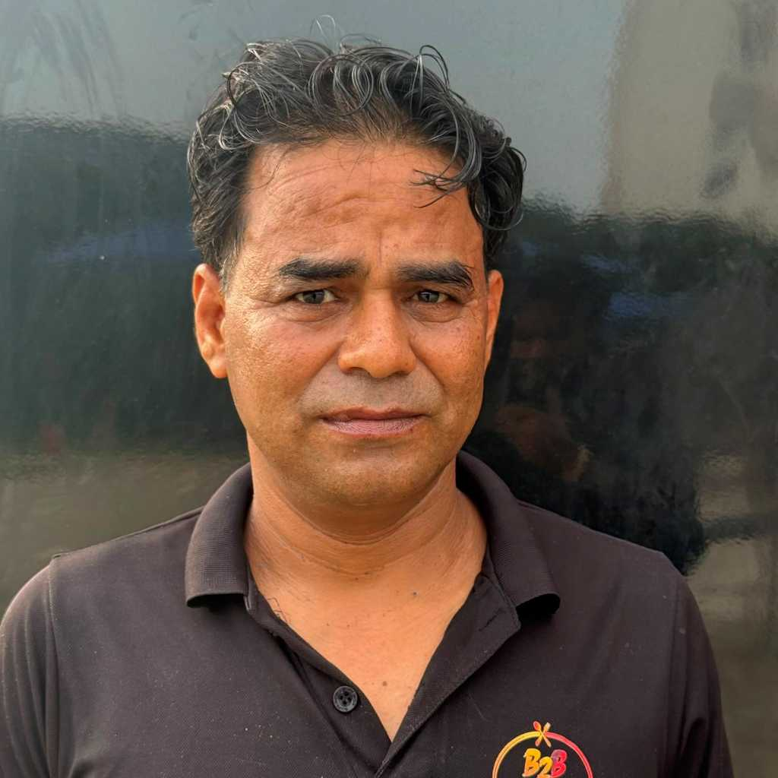
Aman | 7678308172 | Staff | 4997 4265 3338 |  | B2B | Nil |  | 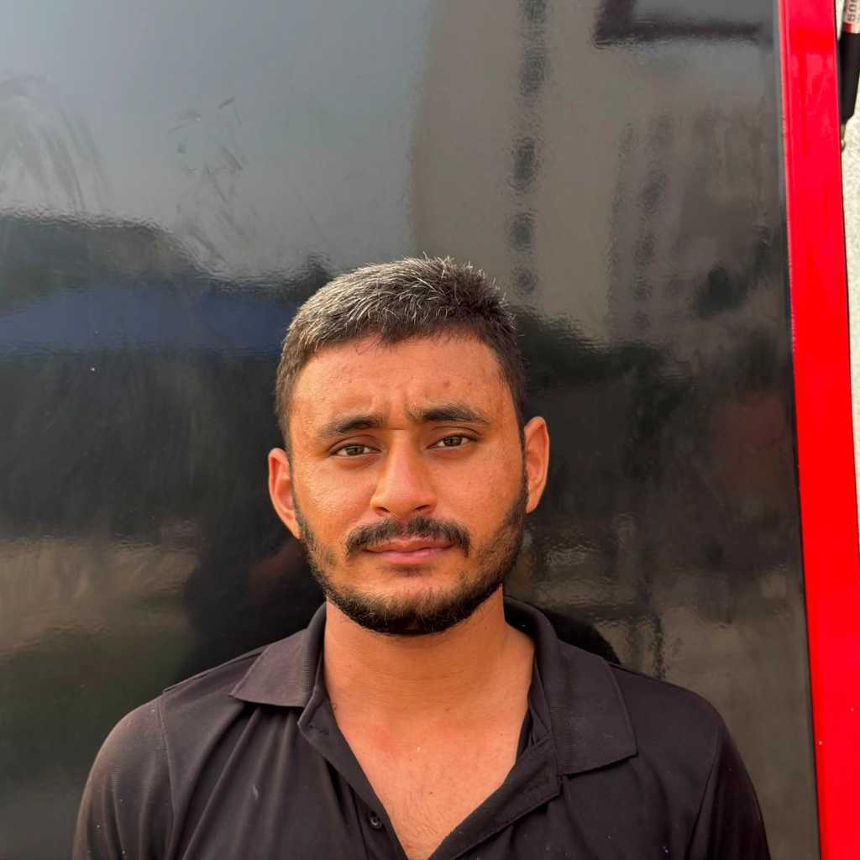
kamal | 9368096742 | Staff | 2632 8219 2034 |  | B2B | Nil |  | 
Naveen | 9354806098 | Staff | 3267 6953 2169 | GFCPK8064P | B2B | Nil
Gaurav kumar | 7060260302 | Staff | 4843 9988 6438 | IZHPK0472E | B2B | Nil |  | 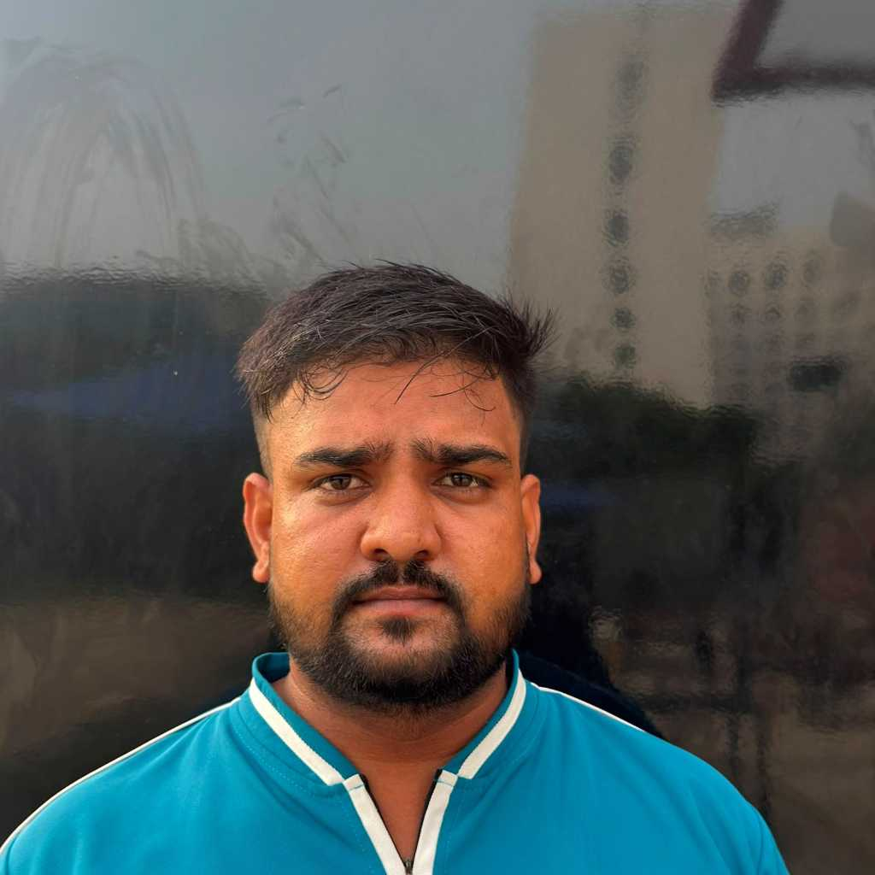
Karan kumar | 9548076814 | Staff | 9510 6354 3190 | GEMPM6841D | B2B | Nil |  | 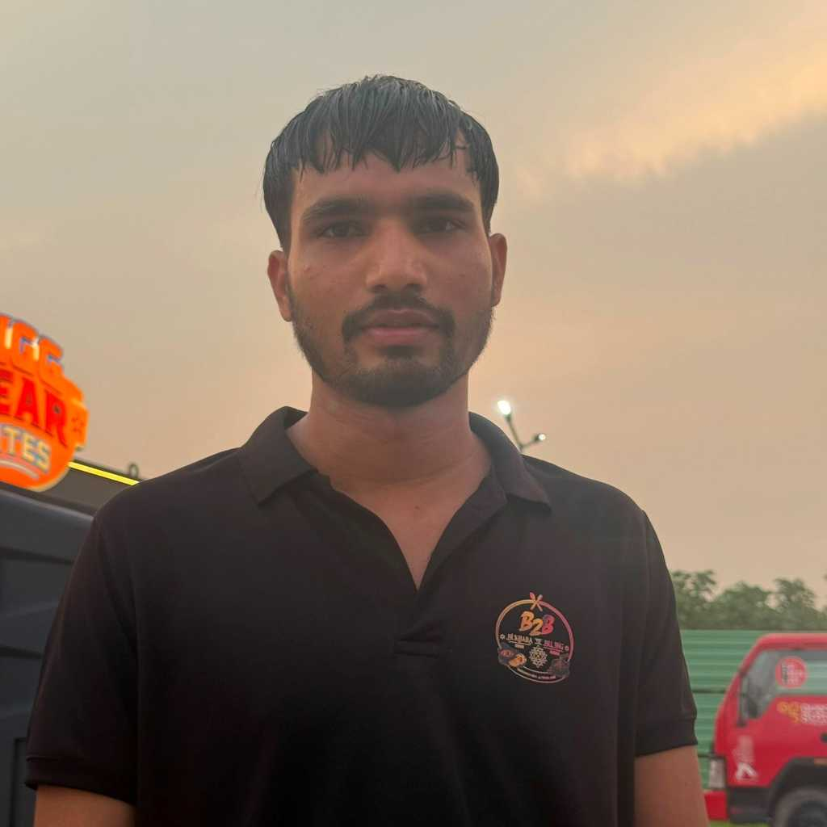
Aakash Maurya | 6398813187 | Staff | 7764 1385 4535 | HAFPM4523J | B2B | Nil |  | 
Ashish | 9389789418 | Staff | 5161 5249 6798 |  | B2B | Nil |  | 
Saurabh singh | 7453819039 | Staff | 9272 5246 6390 | PJJPS4565K | B2B | Nil |  | 
Sundaram | 9354806098 | Staff | 9454 7330 3411 |  | B2B | Nil |  | 
Arpit | 7818004458 | Staff | 2849 4261 4953 |  | B2B | Nil |  | 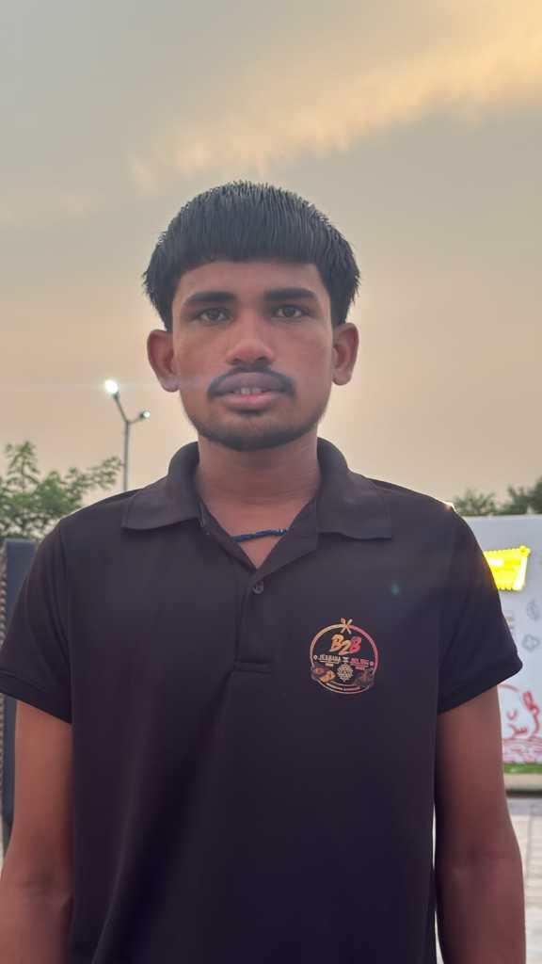
Deepak | 9123470127 | staff | 9257 1112 2002 |  | B2B | Nil |  | 